Data Analysis
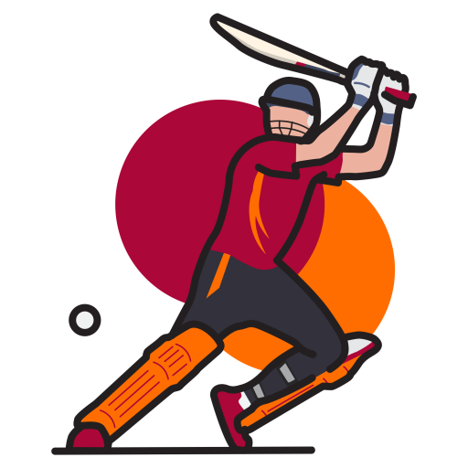
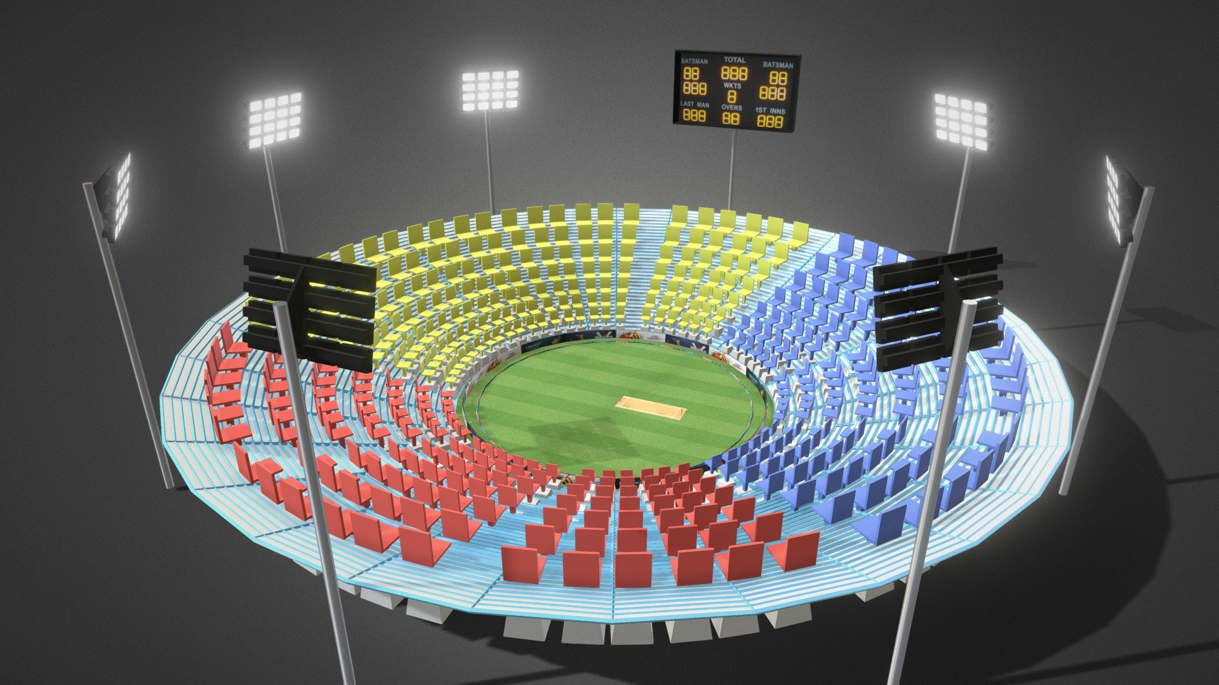
IPL Data Analysis

Team1 win
 | team1 win | Team2 win
Deccan Chargers | 5 | 2
Delhi Capitals | 1 | 1
Delhi Daredevils | 8 | 3
Kings XI Punjab | 6 | 5
Kochi Tuskers Kerala | 1 | 0
Kolkata Knight Riders | 6 | 7
Mumbai Indians | 6 | 9
Pune Warriors | 3 | 1
Punjab Kings XI | 2 | 0
Rajasthan Royals | 8 | 7
Royal Challengers Bangalore | 7 | 4
Sunrisers Hyderabad | 6 | 2

 | Sum of Matches won losing toss | Sum of Matches won winning toss | Sum of Number of wins batting second | Sum of Number of wins batting first
Rajiv Gandhi Stadium | 46 | 25 | 40 | 31
Country
 | Total
Afghanistan | 7
Australia | 20
Bangladesh | 1
England | 13
India | 159
Ireland | 1
New Zealand | 8
Singapore | 1
South Africa | 14
Sri Lanka | 6
West Indies | 10
Zimbabwe | 1
(blank)
Capacity
 | Total
Arun Jaitley Stadium | 35200
BRSABV Ekana Stadium | 50100
Eden Gardens | 68000
Inderjit Singh Bindra Stadium | 27000
M. A. Chidambaram Stadium | 38200
M. Chinnaswamy Stadium | 33800
Narendra Modi Stadium | 132000
Rajiv Gandhi Stadium | 39200
Sawai Mansingh Stadium | 35000
Wankhede Stadium | 33100

 | Bat | Field
Chennai Super Kings | 3 | 9
Delhi Capitals | 2 | 8
Kings XI Punjab |  | 6
Kolkata Knight Riders |  | 5
Mumbai Indians | 3 | 5
Rajasthan Royals | 2 | 8
Royal Challengers Bangalore |  | 4
Sunrisers Hyderabad |  | 4
Venue
 | Total
ACA-VDCA Stadium | 2
Eden Gardens | 7
Feroz Shah Kotla | 7
M Chinnaswamy Stadium | 6
MA Chidambaram Stadium, Chepauk | 8
Punjab Cricket Association IS Bindra Stadium, Mohali | 7
Rajiv Gandhi International Stadium, Uppal | 8
Sawai Mansingh Stadium | 7
Wankhede Stadium | 7

A
venue | Count of Venue | Count of Toss Decision | Column Labels
ACA-VDCA Stadium | 2 | Row Labels | Bat | Field | Grand Total
Eden Gardens | 7 | Chennai Super Kings | 3 | 9 | 12
Feroz Shah Kotla | 7 | Delhi Capitals | 2 | 8 | 10
M Chinnaswamy Stadium | 6 | Kings XI Punjab |  | 6 | 6
MA Chidambaram Stadium, Chepauk | 8 | Kolkata Knight Riders |  | 5 | 5
Punjab Cricket Association IS Bindra Stadium, Mohali | 7 | Mumbai Indians | 3 | 5 | 8
Rajiv Gandhi International Stadium, Uppal | 8 | Rajasthan Royals | 2 | 8 | 10
Sawai Mansingh Stadium | 7 | Royal Challengers Bangalore |  | 4 | 4
Wankhede Stadium | 7 | Sunrisers Hyderabad |  | 4 | 4
Grand Total | 59 | Grand Total | 10 | 49 | 59

 | Bat | Field
Chennai Super Kings | 3 | 9
Delhi Capitals | 2 | 8
Kings XI Punjab |  | 6
Kolkata Knight Riders |  | 5
Mumbai Indians | 3 | 5
Rajasthan Royals | 2 | 8
Royal Challengers Bangalore |  | 4
Sunrisers Hyderabad |  | 4

B
 | Total
Afghanistan | 7
Australia | 20
Bangladesh | 1
England | 13
India | 159
Ireland | 1
New Zealand | 8
Singapore | 1
South Africa | 14
Sri Lanka | 6
West Indies | 10
Zimbabwe | 1
(blank)
Row Labels | Count of Country
Afghanistan | 7
Australia | 20
Bangladesh | 1
England | 13
India | 159
Ireland | 1
New Zealand | 8
Singapore | 1
South Africa | 14
Sri Lanka | 6
West Indies | 10
Zimbabwe | 1
(blank)
Grand Total | 241

C
 | Total
Arun Jaitley Stadium | 35200
BRSABV Ekana Stadium | 50100
Eden Gardens | 68000
Inderjit Singh Bindra Stadium | 27000
M. A. Chidambaram Stadium | 38200
M. Chinnaswamy Stadium | 33800
Narendra Modi Stadium | 132000
Rajiv Gandhi Stadium | 39200
Sawai Mansingh Stadium | 35000
Wankhede Stadium | 33100
Row Labels | Sum of Capacity
Arun Jaitley Stadium | 35200
BRSABV Ekana Stadium | 50100
Eden Gardens | 68000
Inderjit Singh Bindra Stadium | 27000
M. A. Chidambaram Stadium | 38200
M. Chinnaswamy Stadium | 33800
Narendra Modi Stadium | 132000
Rajiv Gandhi Stadium | 39200
Sawai Mansingh Stadium | 35000
Wankhede Stadium | 33100
Grand Total | 491600

D
Row Labels | Sum of Matches won losing toss | Sum of Matches won winning toss | Sum of Number of wins batting second | Sum of Number of wins batting first
Rajiv Gandhi Stadium | 46 | 25 | 40 | 31
Grand Total | 46 | 25 | 40 | 31

E
Team1 win
 | team1 win | Team2 win
Deccan Chargers | 5 | 2
Delhi Capitals | 1 | 1
Delhi Daredevils | 8 | 3
Kings XI Punjab | 6 | 5
Kochi Tuskers Kerala | 1 | 0
Kolkata Knight Riders | 6 | 7
Mumbai Indians | 6 | 9
Pune Warriors | 3 | 1
Punjab Kings XI | 2 | 0
Rajasthan Royals | 8 | 7
Royal Challengers Bangalore | 7 | 4
Sunrisers Hyderabad | 6 | 2
Team1 | Team2 | team1 win | Team2 win
Chennai Super Kings | Deccan Chargers | 5 | 2
Chennai Super Kings | Delhi Capitals | 1 | 1
Chennai Super Kings | Delhi Daredevils | 8 | 3
Chennai Super Kings | Kings XI Punjab | 6 | 5
Chennai Super Kings | Kochi Tuskers Kerala | 1 | 0
Chennai Super Kings | Kolkata Knight Riders | 6 | 7
Chennai Super Kings | Mumbai Indians | 6 | 9
Chennai Super Kings | Pune Warriors | 3 | 1
Chennai Super Kings | Punjab Kings XI | 2 | 0
Chennai Super Kings | Rajasthan Royals | 8 | 7
Chennai Super Kings | Royal Challengers Bangalore | 7 | 4
Chennai Super Kings | Sunrisers Hyderabad | 6 | 2

F
Row Labels | Count of Winning Team
Mumbai Indians | 113
Chennai Super Kings | 15
Deccan Chargers | 7
Delhi Capitals | 8
Delhi Daredevils | 6
Gujarat Lions | 2
Gujarat Titans | 1
Kings XI Punjab | 14
Kolkata Knight Riders | 19
Lucknow Super Giants | 2
Pune Warriors | 3
Rajasthan Royals | 7
Rising Pune Supergiants | 3
Royal Challengers Bangalore | 18
Sunrisers Hyderabad | 8
Grand Total | 113

